Sheet1
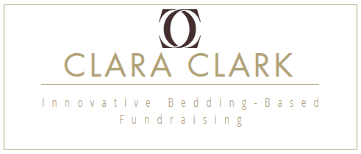
 |  |  |  |  |  |  |  | orders@fundraisingclaralcark.com
 |  |  |  |  |  |  |  | 547-456-7764
 |  |  |  |  |  |  |  | 250-421-8133
 |  |  |  |  |  |  |  | www.fundraisingclaraclark.com

 |  |  |  |  |  |  |  | ORDER FORM

NAME |  |  |  |  |  | COMPANY NAME
PHONE NUMBER |  |  |  |  |  | EMAIL ADDRESS
SHIPPING ADDRESS

COLOR |  | SHEET SIZE |  |  |  |  | Pillow Cases |  | Bamboo Pillows
 | Cal King | King | Queen | Full | Twin | Twin-XL | STANDARD | KING | Standard | King
White
Cream
Chocolate
Sage
Light Blue
Camel
Burgundy
Silver
Charcoal
Navy Blue
Eggplant
Taupe
Mint
Coral
Apricot
Magenta
Teal
Rust
Lime
M Yellow
Calla Green
Blue Haven
Lavender
Beach Blue
COUNT | 0 | 0 | 0 | 0 | 0 | 0 | 0 | 0 | 0 | 0
 | CK | K | Q | F | TW | Tw-XL | STD-PC | K-PC | STD-Pillow | K-Pillow
TOTAL | Bed Sheets |  | 0 |  |  |  | P-cases | 0 | Pillows | 0
Cost Provided |  | X |  |  |  |  | X |  | X
 |  |  | 0 |  |  |  |  | 0 |  | 0
Total Cost | $- |  | less than 12 items? Add $10 shipping

